Summary and Charts
Statistics | Charts | Trades | Formula | Settings | Symbols | Monte Carlo |  |  |  | 1. Portfolio Equity

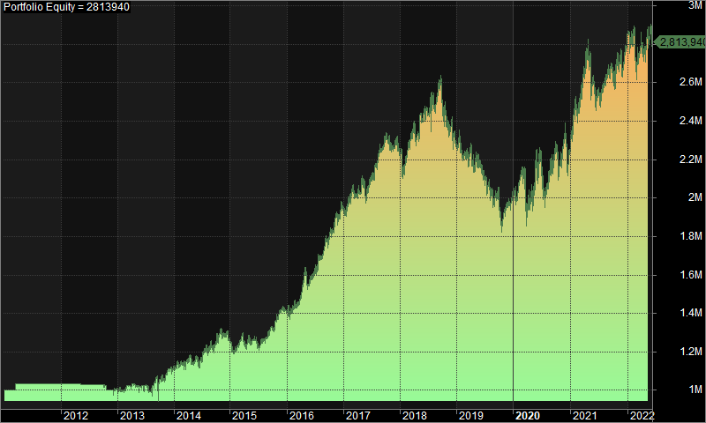
Statistics
 | All trades | Long trades | Short trades
Initial capital | 1000000 | 1000000 | 1000000
Ending capital | 2813939.47 | 1000000 | 2813939.47
Net Profit | 1813939.47 | 0 | 1813939.47
Net Profit % | 181.39% | 0.00% | 181.39%
Exposure % | 2.58% | 0.00% | 2.58%
Net Risk Adjusted Return % | 7031.31% | N/A | 7031.31%
Annual Return % | 9.46% | 0.00% | 9.46%
Risk Adjusted Return % | 366.58% | N/A | 366.58%
Total transaction costs | 1627508.33 | 0 | 1627508.33

All trades | 1437 | 0 (0.00 %) | 1437 (100.00 %)
Avg. Profit/Loss | 1262.31 | N/A | 1262.31
Avg. Profit/Loss % | 3.81% | N/A | 3.81%
Avg. Bars Held | 109.06 | N/A | 109.06

Winners | 663 (46.14 %) | 0 (0.00 %) | 663 (46.14 %)
Total Profit | 11731337.25 | 0 | 11731337.25
Avg. Profit | 17694.32 | N/A | 17694.32
Avg. Profit % | 37.50% | N/A | 37.50%
Avg. Bars Held | 164.15 | N/A | 164.15
Max. Consecutive | 7 | 0 | 7
Largest win | 130070.34 | 0 | 130070.34
# bars in largest win | 297 | 0 | 297 | 2. Underwater Equity

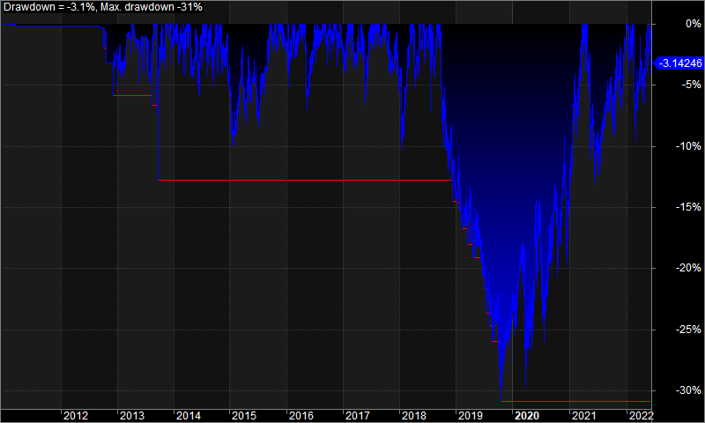
Losers | 774 (53.86 %) | 0 (0.00 %) | 774 (53.86 %)
Total Loss | -9917397.78 | 0 | -9917397.78
Avg. Loss | -12813.18 | N/A | -12813.18
Avg. Loss % | -25.05% | N/A | -25.05%
Avg. Bars Held | 61.87 | N/A | 61.87
Max. Consecutive | 12 | 0 | 12
Largest loss | -153994.25 | 0 | -153994.25
# bars in largest loss | 76 | 0 | 76

Max. trade drawdown | -205169.4 | 0 | -205169.4
Max. trade % drawdown | -97.81 | 0 | -97.81
Max. system drawdown | -814138.68 | 0 | -814138.68
Max. system % drawdown | -30.88% | 0.00% | -30.88%
Recovery Factor | 2.23 | N/A | 2.23
CAR/MaxDD | 0.31 | N/A | 0.31
RAR/MaxDD | 11.87 | N/A | 11.87
Profit Factor | 1.18 | N/A | 1.18
Payoff Ratio | 1.38 | N/A | 1.38
Standard Error | 209186.37 | 0 | 209186.37
Risk-Reward Ratio | 0.82 | N/A | 0.82
Ulcer Index | 9.2 | 0 | 9.2
Ulcer Performance Index | 0.44 | N/A | 0.44
Sharpe Ratio of trades | 1.13 | 0 | 1.13
K-Ratio | 0.01 | N/A | 0.01
 |  |  |  | 3. Profit Table

 |  |  |  | Year | Jan | Feb | Mar | Apr | May | Jun | Jul | Aug | Sep | Oct | Nov | Dec | Yr%
 |  |  |  | 2011 | 0.00% | 0.00% | 3.10% | 0.00% | 0.00% | 0.00% | 0.00% | 0.00% | 0.00% | 0.00% | 0.00% | 0.00% | 3.20%
 |  |  |  | 2012 | 0.00% | 0.00% | 0.00% | 0.00% | 0.00% | 0.00% | 0.00% | 0.00% | -0.10% | -2.90% | 0.00% | 0.60% | -2.50%
 |  |  |  | 2013 | -1.00% | 2.50% | 0.10% | 0.50% | -0.90% | 0.70% | -3.00% | 4.30% | 2.00% | -0.20% | 5.50% | -0.50% | 10.10%
 |  |  |  | 2014 | 2.10% | 1.20% | 0.60% | -0.50% | 2.40% | 0.10% | 5.20% | 1.50% | -0.80% | 5.10% | -0.30% | -3.00% | 14.00%
 |  |  |  | 2015 | -4.30% | 1.30% | 2.90% | -0.10% | 0.30% | -2.70% | 2.00% | 2.80% | 3.00% | 4.30% | 2.00% | 0.40% | 12.20%
 |  |  |  | 2016 | -0.60% | 1.80% | 2.80% | 7.00% | -1.10% | 2.90% | 4.70% | 3.40% | 1.50% | 3.80% | 3.30% | 3.40% | 38.00%
 |  |  |  | 2017 | 0.40% | 4.00% | -1.50% | 4.30% | -4.80% | 5.60% | 3.20% | 3.30% | 2.40% | -0.80% | -1.00% | -0.50% | 15.20%
 |  |  |  | 2018 | -5.10% | 6.50% | 4.00% | -1.00% | 3.50% | 0.60% | 3.50% | 0.70% | -1.30% | -4.60% | -0.10% | -4.20% | 1.70%
 |  |  |  | 2019 | -2.00% | -1.30% | 1.60% | -3.60% | 1.00% | -3.00% | -2.30% | -3.70% | 2.20% | -8.30% | 4.30% | 2.50% | -12.50%
 |  |  |  | 2020 | 0.00% | 7.00% | -10.20% | 3.90% | 7.30% | 4.20% | -9.90% | 8.40% | 4.20% | -3.10% | 6.10% | -4.10% | 12.30%
 |  |  |  | 2021 | 8.50% | 2.70% | 5.40% | 5.50% | -6.60% | -2.70% | 2.40% | 2.50% | 0.60% | 2.20% | -1.50% | 3.90% | 24.20%
 |  |  |  | 2022 | 1.20% | -3.80% | 2.60% | -1.20% | 4.20% | -2.10% | N/A | N/A | N/A | N/A | N/A | N/A | 0.70%
 |  |  |  | Avg | -0.10% | 1.80% | 1.00% | 1.20% | 0.40% | 0.30% | 0.50% | 2.10% | 1.20% | -0.40% | 1.70% | -0.10%

